Sampling Design
SAMPLING DESIGN

 | 20- SAMPLING METHOD | : |  | Simple Random Sampling

 |  |  |  | Stratified Sampling

 |  |  |  | Stratified Cluster Sampling

 |  |  | X | Multistage Stratified Cluster Sampling

 |  |  |  | Other

 | PSU | : | Primary sampling unit: Clusters consisting of 100 adresses in which at least 1 person is registered.
 | (Primary Sampling Unit)

 | FSU | : | Final sampling unit: Households selected from primary sampling units.
 | (Final Sampling Unit)

 | PSU Selection Method | : | Primary sampling units are selected using systematic selection method.

 | FSU Selection Method | : | To provide rotation at household level, 20 adresses (10 A, 10 B set) are selected systematically from each cluster. 20 adresses divided into A and B sets containing 10 adresses each. For each field application, only one of the 2 sets (A or B) were selected from related clusters.

 | Cluster / Rotation Information | : | Sampling design prepared annually aimed to provide quarterly estimations, annually estimations, change between same quarters of consecutive 2 years, change between consecutive quarters and independent monthly estimations. There are 8 subsamples in each quarter. A and B sets (containing 10 households) are selected from each of the cluster and only one of them is used for field application to decrease the reponse burden.

 | Cluster / Rotation Information | :

 | Cluster / Rotation Information | : | By this rotational pattern, each year 1 new subsample is introduced sampling frame used for 2021 sampling design is constituted with households in which at least 1 person is registered according to "Address Based Register System".

 | 21- Sample Allocation Method | : |  | Equal Allocation

 |  |  |  | Compromise Allocation

 |  |  |  | Proportional Allocation

 |  |  |  | Optimal Allocation

 |  |  |  | Square Root Allocation

 |  |  | X | Other | Eurostat Regulation 2019/2240

 | Explanations | : | EUROSTAT COMMISSION IMPLEMENTING REGULATION (EU) 2019/2240 https://eur-lex.europa.eu/legal-content/EN/TXT/PDF/?uri=CELEX:32019R2240&from=DA

SAMPLING DESIGN (Continued)

 | 22- ESTIMATIONS AND NOTATIONS | : | 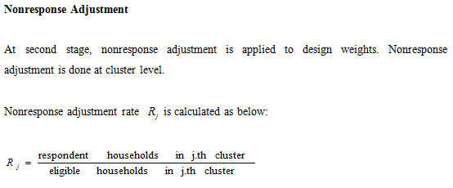 According to the data set gathered from field application, base weight calculations, nonresponse adjustments, external distribution controls (NUTS3, NUTS2 x urban/rural, age group x gender and household size) and trimming were done in order to compute final weights. Design weights: Design weights are calculated by the inverse of the selection probabilities. In the LFS, the design weight is whi=1/phi

 | 22- ESTIMATIONS AND NOTATIONS | : | 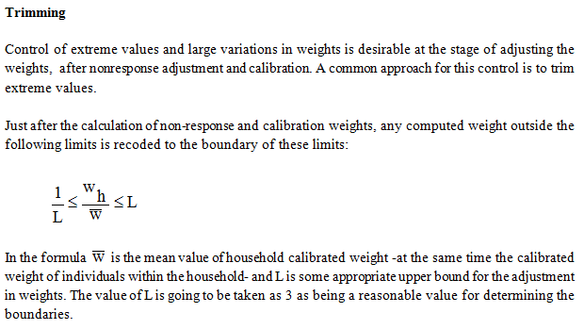 External Controls - Calibration : External controls were used in order to fit the sample distribution to population distribution which was derived from projections. It is necessary to use external auxiliary variables (if available) to increase the precision of selected sample while producing estimations at national level. The use of external available datasets is especially necessary when the sample size is not enough for small areas, high nonresponse rate is occured or the results of the sample lacks for producing correct estimations on certain characteristics of the population. Therefore the external datasets used are mainly the marginal distribution of some characteristics of the population. Geographical urban - rural, age group or gender distributions can be shown as example. 4 different marginal distributions are used for LFS; - Age group x Gender distribution, - NUTS3 distribution, - NUTS2 x Urban/Rural distribution, - Household size distribution.

 | 22- ESTIMATIONS AND NOTATIONS | : | 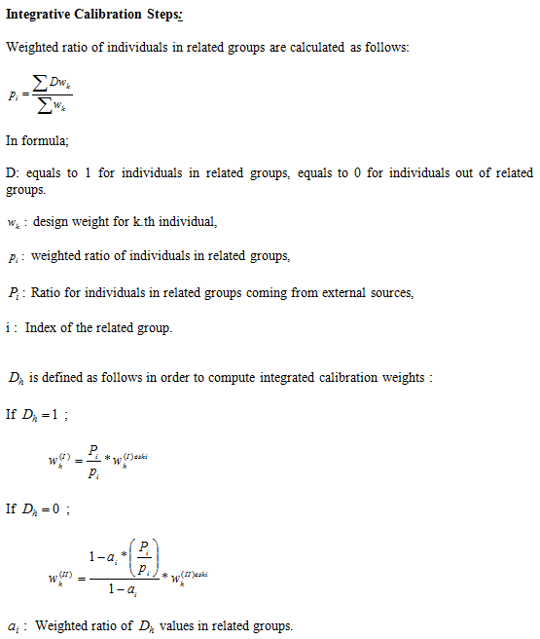 ReGenesees (R Evolved Generalized Software for Sampling Estimates and Errors in Surveys) is an R package developed by ISTAT for design-based and model-assisted analysis of complex sample surveys. Taylor linearization method is used for estimating the variance of complex estimators. "ext.calibrated" function in ReGenesees is designed to take into account the final weights as well as the calibration model and adjusted weights used as an input for calibration, in the variance estimation. By this way, calibration effect are also included in variance estimation. As of 2022, functions such as ext.calibrated, svystatTM and svystatR in ReGenesees package are used for the estimation of sampling errors. You can find the detailed information about ReGenesees in the link given below. (https://www.istat.it/it/files//2022/11/ReGenesees.pdf).

