Sampling Design
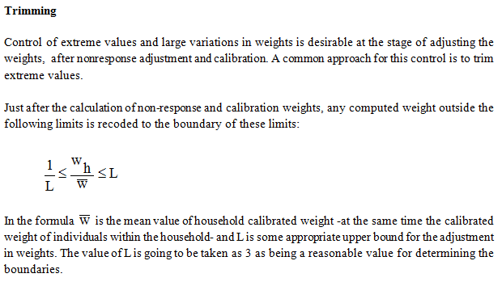
SAMPLING DESIGN

 | 20- SAMPLING METHOD | : |  | Simple Random Sampling

 |  |  |  | Stratified Sampling

 |  |  |  | Stratified Cluster Sampling

 |  |  | X | Multistage Stratified Cluster Sampling

 |  |  |  | Other

 | PSU | : | Primary sampling unit: Clusters consisting of 100 adresses in which at least 1 person is registered.
 | (Primary Sampling Unit)

 | FSU | : | Final sampling unit: Households selected from primary sampling units.
 | (Final Sampling Unit)

 | PSU Selection Method | : | Primary sampling units are selected using systemmatic selection method.The settlements constituting the %1 of the total population are not included.

 | FSU Selection Method | : | To provide rotation at household level, 20 adresses (10 A, 10 B set) are selected systemmatically from each cluster. 20 adresses divided into A and B sets containing 10 adresses each. For each field application, only one of the 2 sets (A or B) were selected from related clusters.

 | Cluster / Rotation Information | : | Sampling design prepared annually aimed to provide quarterly estimations, annually estimations, change between same quarters of consecutive 2 years, change between consecutive quarters and monthly estimations using moving average method. There are 8 subsamples in each quarter. There are 550 clusters in each subsample. A and B sets (containing 10 households) are selected from each of the cluster and only one of them is used for field application to decrease the reponse burden. Rate of homogenity within clusters is used to decide the number of adresses to be selected from clusters. When rotational pattern below is examined, it can be seen that 7 of the 8 subsamples used in year 2009 comes from old design.Rotational pattern is as follows;

 | Cluster / Rotation Information | : | 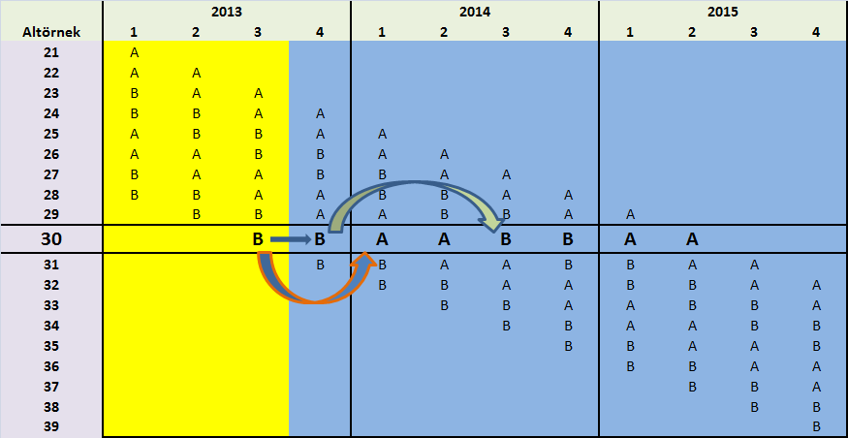

 |  |  | By this rotational pattern, each year 1 new subsample is introduced Sampling frame used for 2014 sampling design is constituted with households in which at least 1 person is registered according to "Adress Based Register System".

 | 21- Sample Allocation Method | : |  | Equal Allocation

 |  |  |  | Compromise Allocation

 |  |  | X | Proportional Allocation

 |  |  |  | Optimal Allocation

 |  |  |  | Square Root Allocation

 |  |  | X | Other | No. 577/98 regulation criteria

 | Explanations | : | Starting from 2014, LFS is carried out continously (52 reference weeks). Quarterly sample size was 42500 for previous LFS applications (2013, 2012, etc.) and the population over 15 was around 110.000 individuals. Sample size calculation studies were started by 110.000 individuals. 3 different distribution is taken into account; 1) NUTS2 * Urban, Rural , 2) Nuts2 and 3) Nuts3. Household size, nonresponse rates, design effects, 3.1 and 3.2 criteria in Eurostat Regulation 577/98 are taken into consideration while calculating final sample size at NUTS2 level. Criteria written in article 3.1 is satisfied at each NUTS2 level and criteria in article 3.2 is satisfied at national level.

SAMPLING DESIGN (Continued)

 | 22- ESTIMATIONS AND NOTATIONS | : | 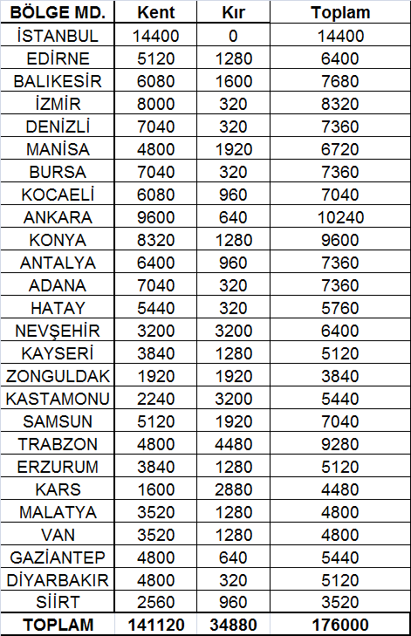

 |  |  | According to the data set gathered from field application, base weight alculations, nonresponse adjustments, external distribution controls (NUTS2 x Urban, Rural x Age group x Gender) and trimming were done in order to compute final weights

 | 22- ESTIMATIONS AND NOTATIONS (Continued) | :

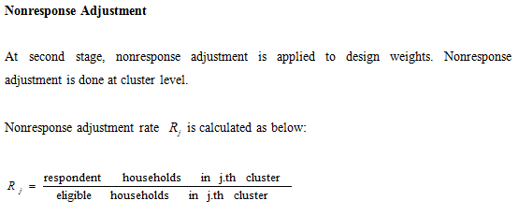

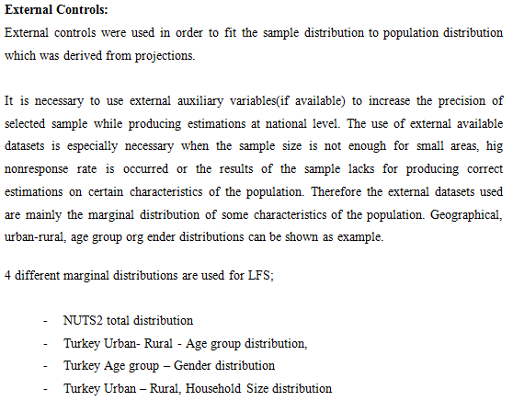

 | 22. ESTIMATIONS AND NOTATIONS (Continued) | : | 