Sampling Design
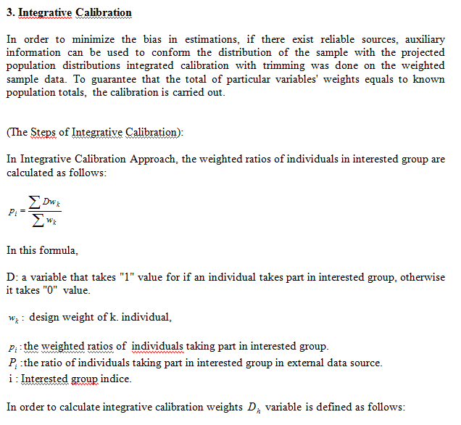
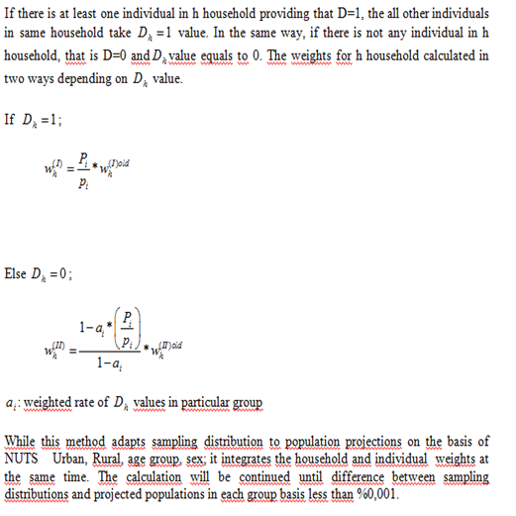
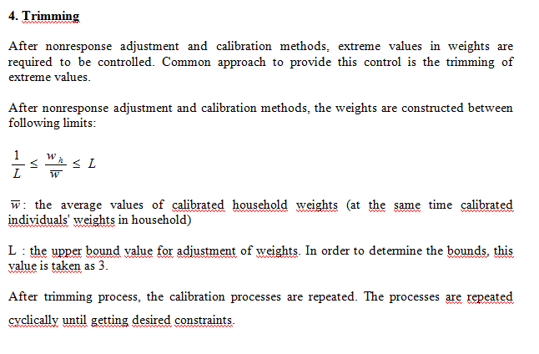
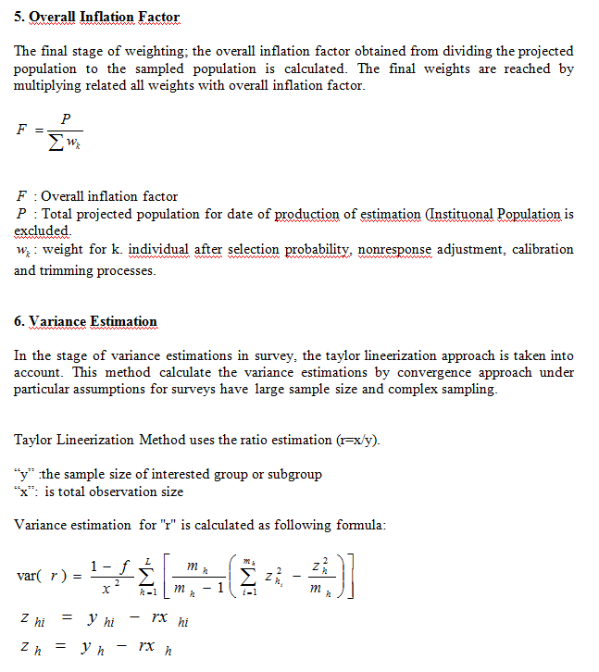
SAMPLING DESIGN

 | 20- SAMPLING METHOD | : |  | Simple Random Sampling

 |  |  |  | Stratified Sampling

 |  |  |  | Stratified Cluster Sampling

 |  |  | x | Multistage Stratified Cluster Sampling

 |  |  |  | Other

 | PSU | : | The selected clusters (blocks) from in all areas in the frame is divides into clusters (blocks) of approximately 100 addresses (households) each.
 | (Primary Sampling Unit)

 | FSU | : | The sample addresses (households) are determined from selected clusters (blocks) by using systematic selection method
 | (Final Sampling Unit)

 | PSU Selection Method | : | Probability Proportional to size selection method.

 | FSU Selection Method | : | Systematic selection method.

 | Cluster / Rotation Information | : | Considering the old administrational divisions and 2014 new administrational divisions. The stratification is conducted NUTS1 and (urban-urban, rural-urban,rural-rural) basis. In first stage, total 1571 clusters are selected from related stratas: In final stage; 15710 household addresses were selected from 1571 selected sample clusters(blocks) (10 households from each clusters).

 | 21- Sample Allocation Method | : |  | Equal Allocation

 |  |  |  | Compromise Allocation

 |  |  |  | Proportional Allocation

 |  |  |  | Optimal Allocation

 |  |  | Χ | Square Root Allocation

 |  |  |  | Other

 | Explanations | :

SAMPLING DESIGN (Continued)

 | 22- ESTIMATIONS AND NOTATIONS | : | 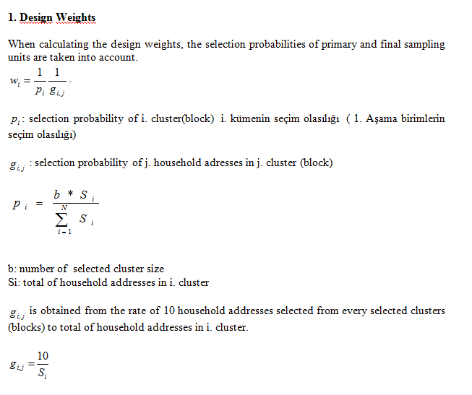 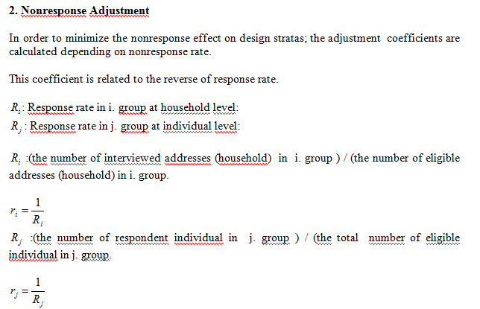 WEIGHTING 1-Design weights (The reverse of selection probability) 2-Nonresponse adjustment 3-Integrated calibration 4-Trimming 5-Overall Inflation Factor: The final weights for households are calculated by multiplying the weights with the overall inflation factor which is calculated by dividing the projected population values to the sampled population weights. 6-Variance Estimation

